INSTRUCTIONS
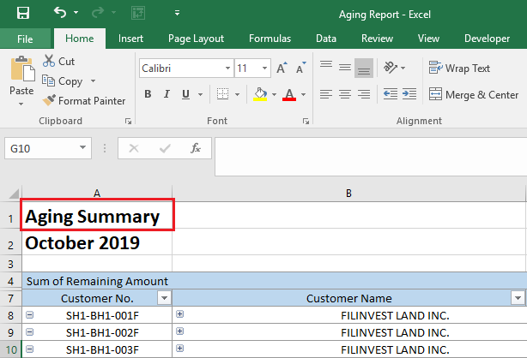
INSTRUCTIONS

1 | To use this file you need Power Query installed on your excel.

 | 1.1 | For 2016 and above version of excel, Power Query is already included on the Get and Transform section of Data tab.

 | 1.2 | For 2010 and 2013 version of excel you need to install add-in of Power Query. We will provide a separate instructions on how to download and install Power Query.
 |  | After installation of the add-in, a Power Query tab will be added on your excel

2 | There are two (2) separate files for creation of Aging Report. Database and Aging Report files. Database file, as the name indicate will act as the database for the report.
 | Aging Report file will be connected to the Database to process the report. For first time use you need to update the connection of this file(Aging Report) to the Database file.

 | 2.1 | For 2016 and above version of excel. On the Data tab. Click Show Queries.

 | 2.2 | For 2010 and 2013 version of Excel. On the Power Query tab. Click Show Pane.

3 | Workbook Queries will appear on the right side of your excel. You must update the connection of Customer Ledger, Customer, Unit, Tenant Charge Code and Doc Date PLUS queries.
 | To update the connection double click the Customer Ledger - Connection Only.
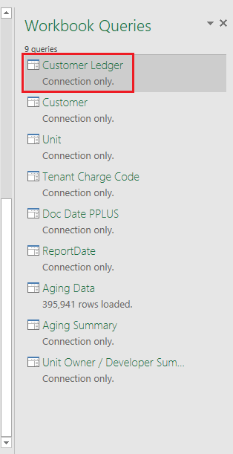

4 | On the Query Editor you will see DataSource.Error. To update connection double click Source
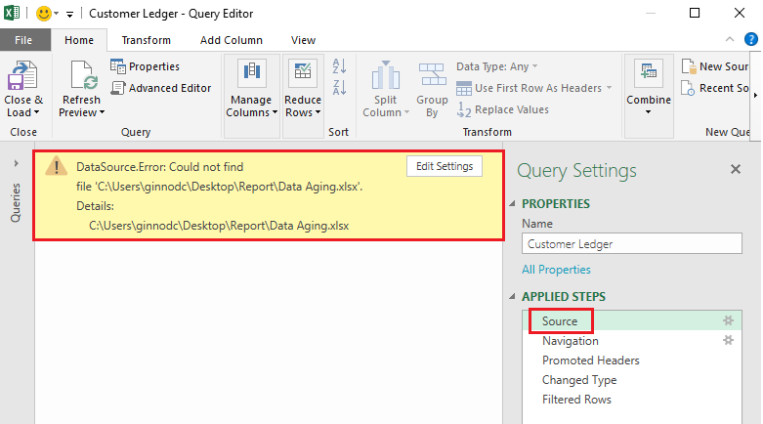

5 | Click Browse.
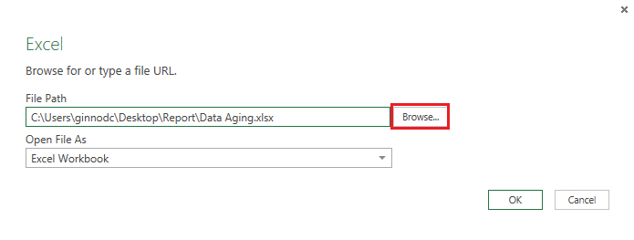

6 | Locate where you save the files. In this example, the files were save to the Desktop. Select Database then click Import.
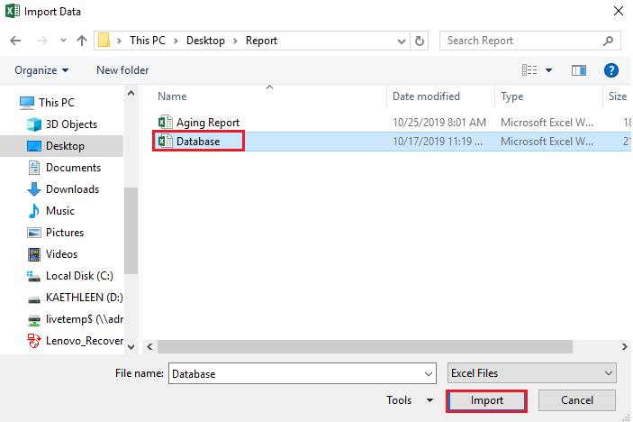

7 | You may copy the File Path to update other queries. Click OK.
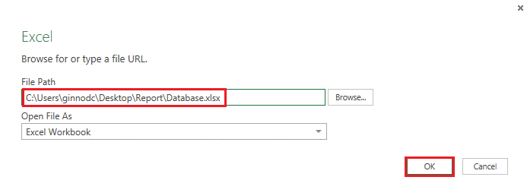

8 | Connection is now updated. Click Queries to update other connection.
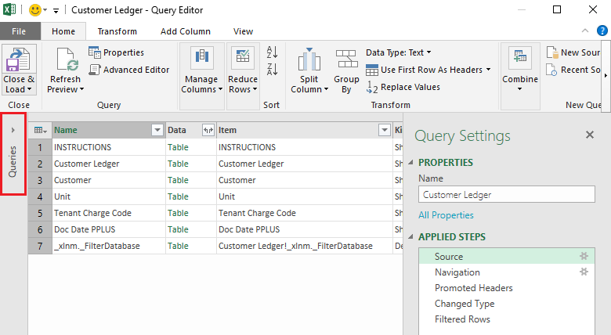

9 | Navigation pane of queries shall appear. Click Customer then click Source.
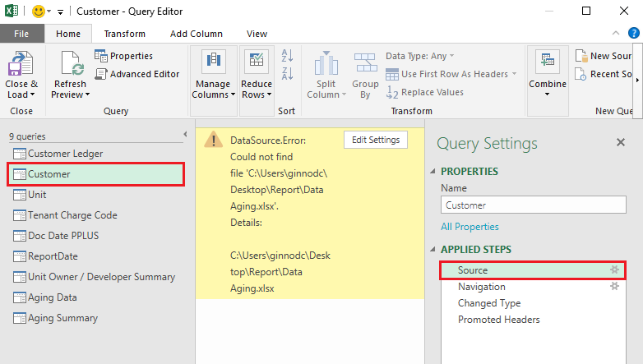

10 | Copy and paste the File Path then click OK, or repeat the process above. Do same to Unit, Tenant Charge Code and Doc Date PPLUS.
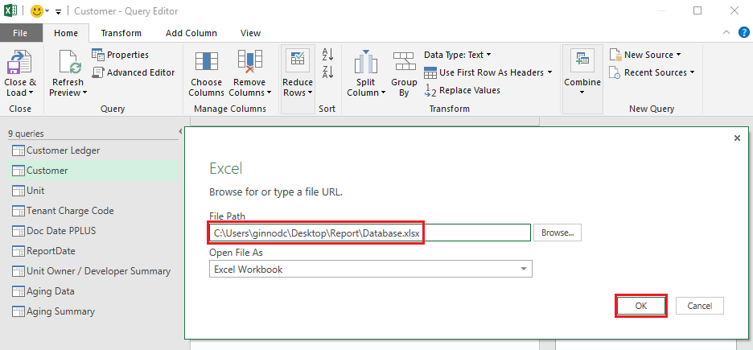

11 | After updating the connection of all the queries. On the Home tab, click Close & Load then Close & Load.
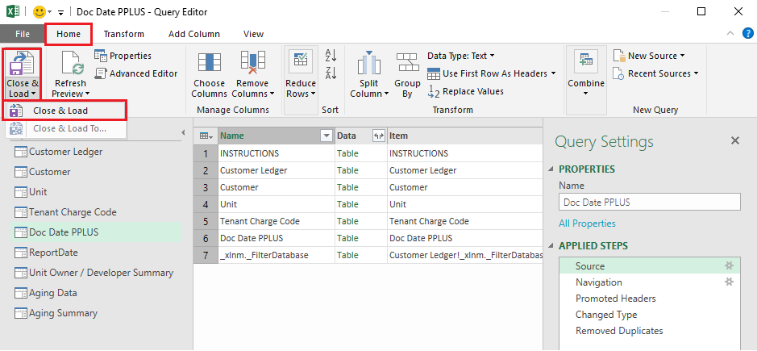

12 | Go to Aging Data sheet. On the upper left side, select from dropdown list the date of your report.
 | After selecting the date. Double click the Report Date. This will refresh and update the table.
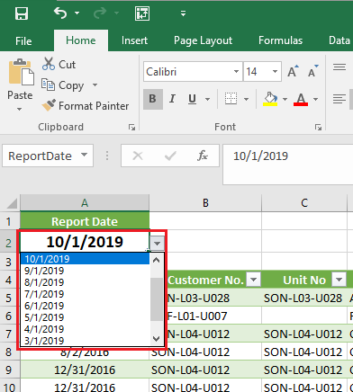
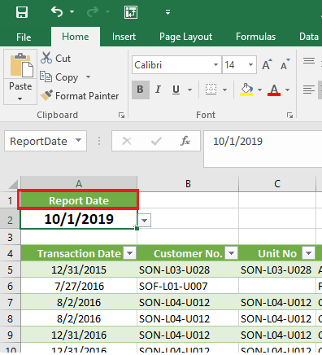

13 | After processing of the table in Aging Data sheet, go to Detailed Aging sheet then double click Detailed Aging Report (cell A1) to refresh the pivot tables.
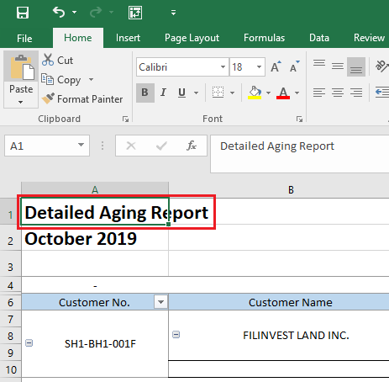

14 | Then go to Aging Summary sheet, double click Aging Summary (cell A1).

